PLS Algorithm
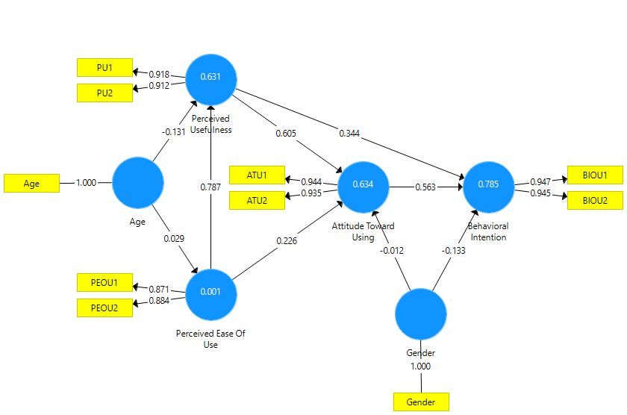
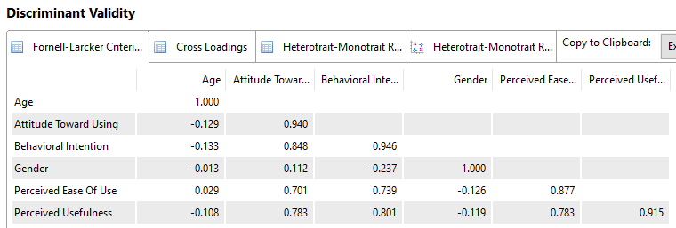
 | Age | Attitude Toward Using | Behavioral Intention | Gender | Perceived Ease Of Use | Perceived Usefulness |  | Age | Attitude Toward Using | Behavioral Intention | Gender | Perceived Ease Of Use | Perceived Usefulness
ATU1 |  | 0.944 |  |  |  |  | Age |  |  |  |  | 0.029 | -0.131
ATU2 |  | 0.935 |  |  |  |  | Attitude Toward Using |  |  | 0.563
Age | 1 |  |  |  |  |  | Behavioral Intention
BIOU1 |  |  | 0.947 |  |  |  | Gender |  | -0.012 | -0.133
BIOU2 |  |  | 0.945 |  |  |  | Perceived Ease Of Use |  | 0.226 |  |  |  | 0.787
Gender |  |  |  | 1 |  |  | Perceived Usefulness |  | 0.605 | 0.344
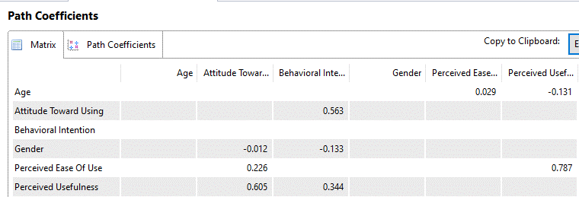
PEOU1 |  |  |  |  | 0.871
PEOU2 |  |  |  |  | 0.884
PU1 |  |  |  |  |  | 0.918
PU2 |  |  |  |  |  | 0.912

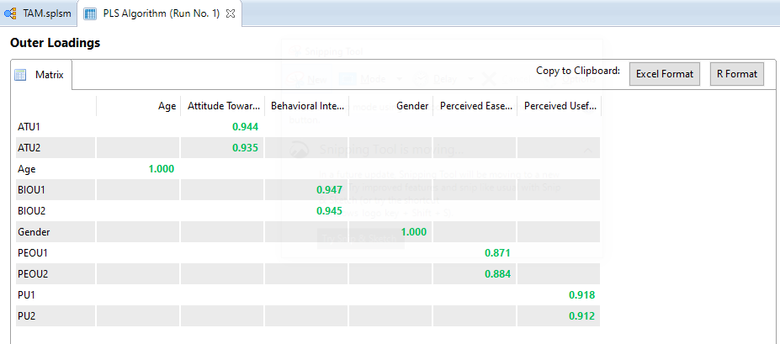

 |  |  |  |  |  |  |  | R Square | R Square Adjusted
 |  |  |  |  |  |  | Attitude Toward Using | 0.634 | 0.622
 |  |  |  |  |  |  | Behavioral Intention | 0.785 | 0.778
 |  |  |  |  |  |  | Perceived Ease Of Use | 0.001 | -0.009
 |  |  |  |  |  |  | Perceived Usefulness | 0.631 | 0.623
 | Cronbach's Alpha | rho_A | Composite Reliability | Average Variance Extracted (AVE)
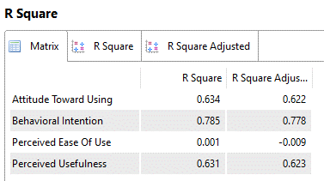
Age | 1 | 1 | 1 | 1
Attitude Toward Using | 0.868 | 0.871 | 0.938 | 0.883
Behavioral Intention | 0.882 | 0.882 | 0.944 | 0.895
Gender | 1 | 1 | 1 | 1
Perceived Ease Of Use | 0.701 | 0.702 | 0.87 | 0.77
Perceived Usefulness | 0.805 | 0.806 | 0.911 | 0.837

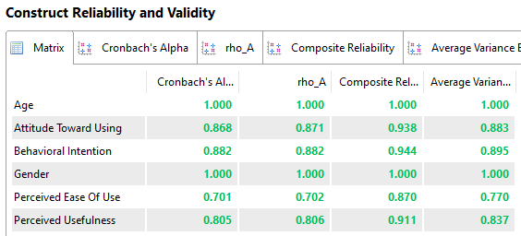

 |  |  |  |  |  |  |  | Age | Attitude Toward Using | Behavioral Intention | Gender | Perceived Ease Of Use | Perceived Usefulness
 |  |  |  |  |  |  | Age | 1
 |  |  |  |  |  |  | Attitude Toward Using | -0.129 | 0.94
 |  |  |  |  |  |  | Behavioral Intention | -0.133 | 0.848 | 0.946
 |  |  |  |  |  |  | Gender | -0.013 | -0.112 | -0.237 | 1
 |  |  |  |  |  |  | Perceived Ease Of Use | 0.029 | 0.701 | 0.739 | -0.126 | 0.877
 |  |  |  |  |  |  | Perceived Usefulness | -0.108 | 0.783 | 0.801 | -0.119 | 0.783 | 0.915

Bootstrapping
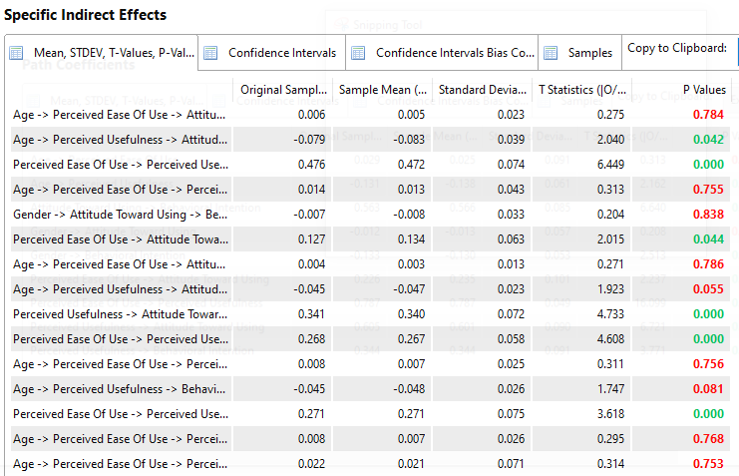

 | Original Sample (O) | Sample Mean (M) | Standard Deviation (STDEV) | T Statistics (|O/STDEV|) | P Values |  | Original Sample (O) | Sample Mean (M) | Standard Deviation (STDEV) | T Statistics (|O/STDEV|) | P Values
Age -> Perceived Ease Of Use | 0.029 | 0.025 | 0.091 | 0.313 | 0.754 | Age -> Perceived Ease Of Use -> Attitude Toward Using | 0.006 | 0.005 | 0.023 | 0.275 | 0.784 | Optimalisasi Minat Pengunjung Website Caribakatmu.com Dengan Pendekatan Technology Acceptance Model
Age -> Perceived Usefulness | -0.131 | -0.138 | 0.061 | 2.162 | 0.031 | Age -> Perceived Usefulness -> Attitude Toward Using | -0.079 | -0.083 | 0.039 | 2.04 | 0.042
Attitude Toward Using -> Behavioral Intention | 0.563 | 0.566 | 0.085 | 6.64 | 0 | Perceived Ease Of Use -> Perceived Usefulness -> Attitude Toward Using | 0.476 | 0.472 | 0.074 | 6.449 | 0
Gender -> Attitude Toward Using | -0.012 | -0.013 | 0.057 | 0.208 | 0.836 | Age -> Perceived Ease Of Use -> Perceived Usefulness -> Attitude Toward Using | 0.014 | 0.013 | 0.043 | 0.313 | 0.755
Gender -> Behavioral Intention | -0.133 | -0.13 | 0.053 | 2.513 | 0.012 | Gender -> Attitude Toward Using -> Behavioral Intention | -0.007 | -0.008 | 0.033 | 0.204 | 0.838
Perceived Ease Of Use -> Attitude Toward Using | 0.226 | 0.235 | 0.101 | 2.237 | 0.026 | Perceived Ease Of Use -> Attitude Toward Using -> Behavioral Intention | 0.127 | 0.134 | 0.063 | 2.015 | 0.044
Perceived Ease Of Use -> Perceived Usefulness | 0.787 | 0.787 | 0.049 | 16.099 | 0 | Age -> Perceived Ease Of Use -> Attitude Toward Using -> Behavioral Intention | 0.004 | 0.003 | 0.013 | 0.271 | 0.786
Perceived Usefulness -> Attitude Toward Using | 0.605 | 0.601 | 0.09 | 6.721 | 0 | Age -> Perceived Usefulness -> Attitude Toward Using -> Behavioral Intention | -0.045 | -0.047 | 0.023 | 1.923 | 0.055
Perceived Usefulness -> Behavioral Intention | 0.344 | 0.344 | 0.091 | 3.771 | 0 | Perceived Usefulness -> Attitude Toward Using -> Behavioral Intention | 0.341 | 0.34 | 0.072 | 4.733 | 0
 |  |  |  |  |  | Perceived Ease Of Use -> Perceived Usefulness -> Attitude Toward Using -> Behavioral Intention | 0.268 | 0.267 | 0.058 | 4.608 | 0
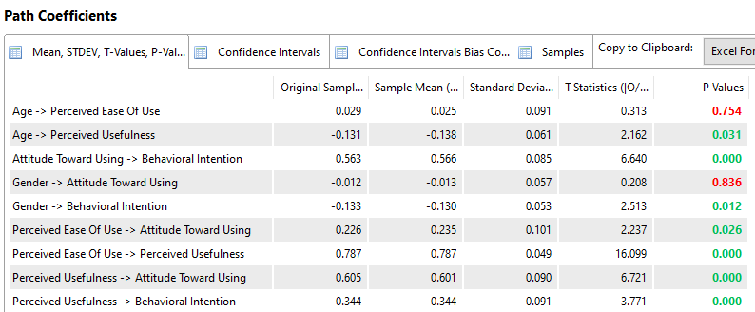
 |  |  |  |  |  | Age -> Perceived Ease Of Use -> Perceived Usefulness -> Attitude Toward Using -> Behavioral Intention | 0.008 | 0.007 | 0.025 | 0.311 | 0.756
 |  |  |  |  |  | Age -> Perceived Usefulness -> Behavioral Intention | -0.045 | -0.048 | 0.026 | 1.747 | 0.081
 |  |  |  |  |  | Perceived Ease Of Use -> Perceived Usefulness -> Behavioral Intention | 0.271 | 0.271 | 0.075 | 3.618 | 0
 |  |  |  |  |  | Age -> Perceived Ease Of Use -> Perceived Usefulness -> Behavioral Intention | 0.008 | 0.007 | 0.026 | 0.295 | 0.768
 |  |  |  |  |  | Age -> Perceived Ease Of Use -> Perceived Usefulness | 0.022 | 0.021 | 0.071 | 0.314 | 0.753

